Example Background
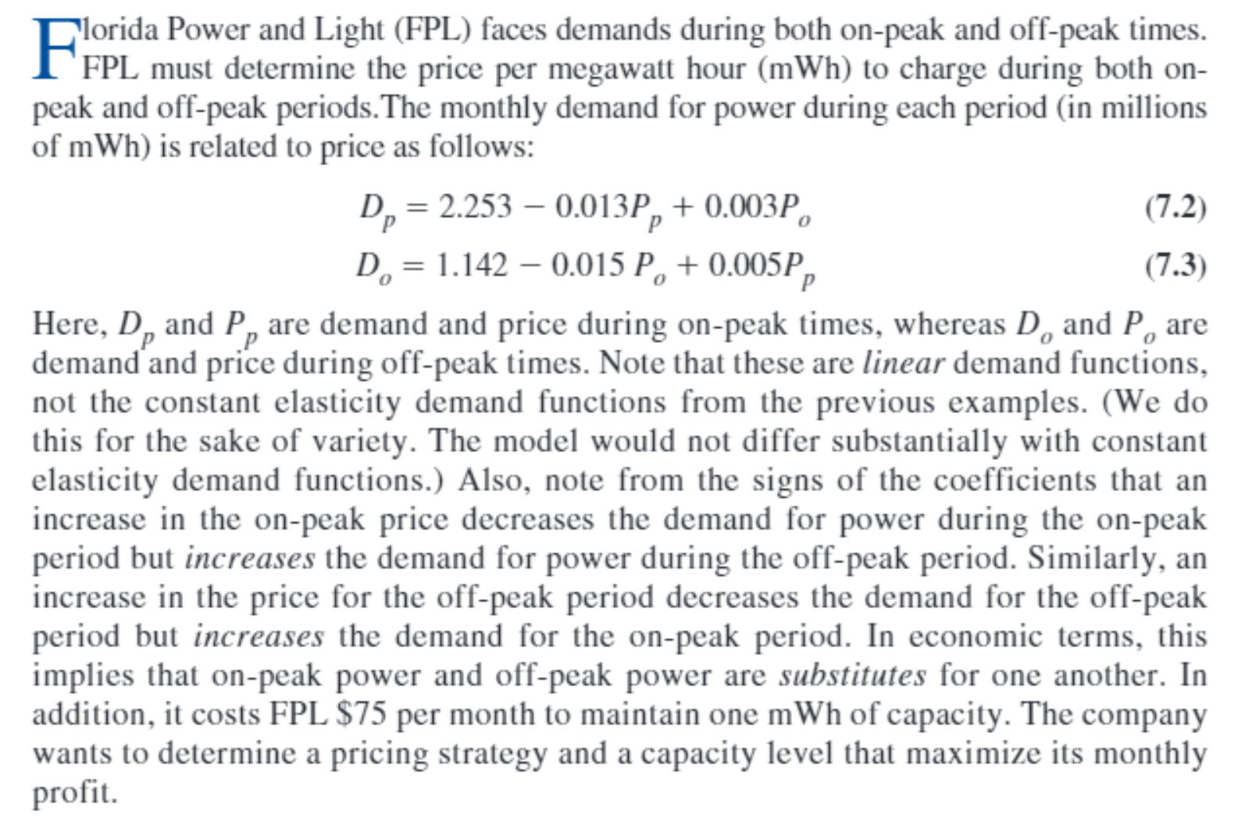

Big Picture
Electricity Pricing

On-peak price

On-peak demand

<=

Revenue
Parameters of demand functions
Capacity

<=

Off-peak demand
Cost of capacity
Unit cost of capacity

Off-peak price

Maximize profit

